content
Stud calculator (linked to SOP-477)

INSTRUCTIONS
These worksheet calculates the ripartition of an external force on a bolted connection on the basis of the stud and flange stiffness
Sheet "stud"
This calculations are base on formulas derived from litearature.
ref. Shingley's Mechanical Engineering Design - R. G. Budynas J. K. Nisbet
ref. Fundamentals of Machine Component Design – R.C. Juvinall K.M. Marshek

0 | 2024-03-04 | First issue | R&D - F. Cademartori | QA/HSEM C.Delli Quadri - M.Tremolada | R&D Manager / M.Borghetti
Rev. | Date | Description | Prepared | Checked | Approved
Mod.432-0

stud
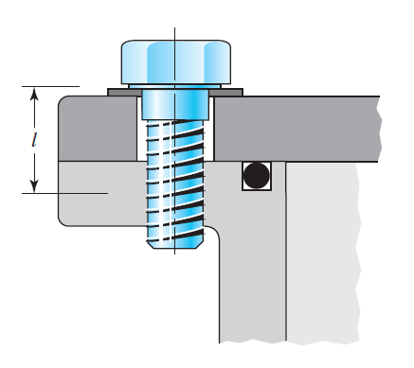
23,00
18,00
17,00
35,00
1,00
45,00
0,00
0,00
bolt |  |  |  | stud |  | flange |  |  | nominal diameter | pitch
Eb [GPa] | 210.00 | (Young's modulus of bolt material) | δ [mm] | F [N] | δ [mm] | F [N] |  |  | D [mm] | p [mm] | p [mm]
σyb [MPa] | 640.00 | (yield stress of bolt) | 0 | 0 | 0.096 | 91472.903608 |  |  | 1 | 0.25
dn [mm] | 23.00 | (nut diameter) | 0.096 | 91472.903608 | 0.096 | 91472.903608 |  |  | 1.2 | 0.25
du [mm] | 0.00 | (bolt diameter, unthreaded part) | 0.12913773088 | 123047.95009 | 0.12913773088 | 1.91540204E-11 |  |  | 1.4 | 0.3
Lu [mm] | 0.00 | (lenght of threaded part) |  |  |  |  |  |  | 1.6 | 0.35
dt [mm] | 18.00 | (bolt diameter, threaded part) | 0.10865745061 | 103533.46361 |  | 104590.758 |  |  | 1.8 | 0.35
p [mm] | 2.00 | (pitch) | 0.10865745061 | 91472.903608 |  | 123047.95009 |  |  | 2 | 0.4
sw [mm] | 1.00 | (washer thickness) | 0.10865745061 | 56533.463606 |  |  |  |  | 2.5 | 0.45
dr [mm] | 16.12 | (tensile stress bolt diameter) |  |  |  |  |  |  | 3 | 0.5
Lt [mm] | 45.00 | (lenght of threaded part) | 0 | 91472.903608 | 0.096 | 0 |  |  | 3.5 | 0.6
Au [mm2] | 0.00 | (area of unthreaded part) | 0.096 | 91472.903608 | 0.096 | 91472.903608 |  |  | 4 | 0.7
At [mm2] | 204.18 | (area of threaded part) | 0.10865745061 | 91472.903608 |  |  |  |  | 5 | 0.8
Le [mm] | 45.00 | (bolt effective total lenght) |  |  |  |  |  |  | 6 | 1 | 0.75
ξ [-] | 70% | (tightening ratio) |  |  |  |  |  |  | 7 | 1
F0 [N] | 91472.90 | (tightening force) |  |  |  |  |  |  | 8 | 1.25 | 1
kb [N/mm] | 952842.75 | (bolt stiffness) |  |  |  |  |  |  | 10 | 1.5 | 1.25 o 1
 |  |  |  |  |  |  |  |  | 12 | 1.75 | 1.5 o 1.25
flange |  |  |  |  |  |  |  |  | 14 | 2 | 1.5
α [°] | 30 | (half apex angle of Rotscher pressure cone) |  |  |  |  |  |  | 16 | 2 | 1.5
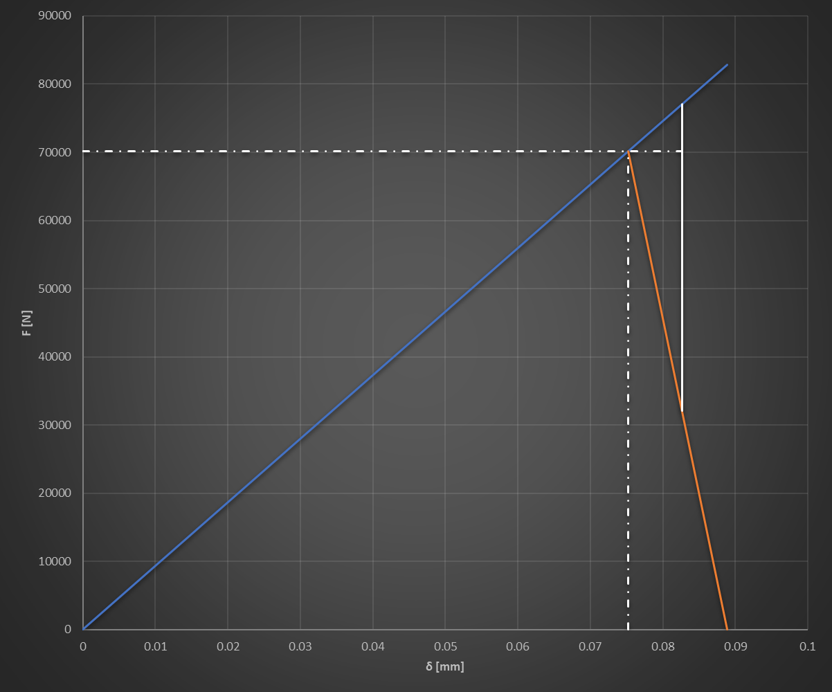
F₀
F_{ext}
F_{f}
F_{b}
k_{b}
k_{f}
δ_{b}
δ_{f}
δ
Ef [GPa] | 210.00 | (Young's modulus of flange material) |  |  |  |  |  | Legend | 18 | 2.5 | 2 o 1.5
d [mm] | 17.00 | (hole diameter) |  |  |  |  |  | input data | 20 | 2.5 | 2 o 1.5
t [mm] | 35.00 | (flange thickness) |  |  |  |  |  | descriptor | 22 | 2.5 | 2 o 1.5
kf [N/mm] | 2760385.2523 | (flange stiffness) |  |  |  |  |  | calculated | 24 | 3 | 2
 |  |  |  |  |  |  |  | annotation | 27 | 3 | 2
INSTRUCTIONS
1) Compile the input data cells.
2) Select tightening ratio ξ (suggested value 70% - 80%)
3) Verify that the three criteria are satisfied.
results |  |  |  |  |  |  |  |  | 30 | 3.5 | 2
Fe [N] | 47000 | (external force on the single bolt) |  |  |  |  |  |  | 33 | 3.5 | 2
Fb [N] | 12060.56 | (part of Fext that increases traction on bolt) |  |  |  |  |  |  | 36 | 4 | 3
Ff [N] | 34939.44 | (part of Fext that reduces contact force on flange) |  |  |  |  |  |  | 39 | 4 | 3
δ [mm] | 0.012657450612 | (change of δb and δf due to Fext) |  |  |  |  |  |  | 42 | 4.5 | 3
δb [mm] | 0.096 | (bolt elongation due to F0) |  |  |  |  |  |  | 45 | 4.5 | 3
δf [mm] | 0.033137730877 | (flange contraction due to F0) |  |  |  |  |  |  | 48 | 5 | 3
σb0 [MPa] | 448.00 | (axial stress on bolt due to F0) |  |  |  |  |  |  | 52 | 5 | 4
σb [MPa] | 507.068 | (axial stress on bolt due to F0 and Fext) |  |  |  |  |  |  | 56 | 5.5 | 4
 |  |  |  |  |  |  |  |  | 60 | 5.5 | 4
nut |  |  | Acceptability criteria |  |  |  |  |  | 64 | 6 | 4
nt [-] | 11 | (number of threads gripping the nut except one) | σb/σyb [-] |  | 79.23% |  | (bolt stress ratio less than 90%) |  |  | (in grey the second choice)
Lh [mm] | 24.00 | (lenght of threaded part of the hole) | Ff/F0 [-] |  | 38.20% |  | (contact force reduction less than 60% of initial tightening)
σyf [MPa] | 415.00 | (yield stress of flange) | (F0+Fb)/Fmax [-] |  | 46.31% |  | (bolt axial force and Fmax ratio less than 80%)
Fmax [N] | 223559.84 | (maximum admissible load on thread)

